Issue Tree
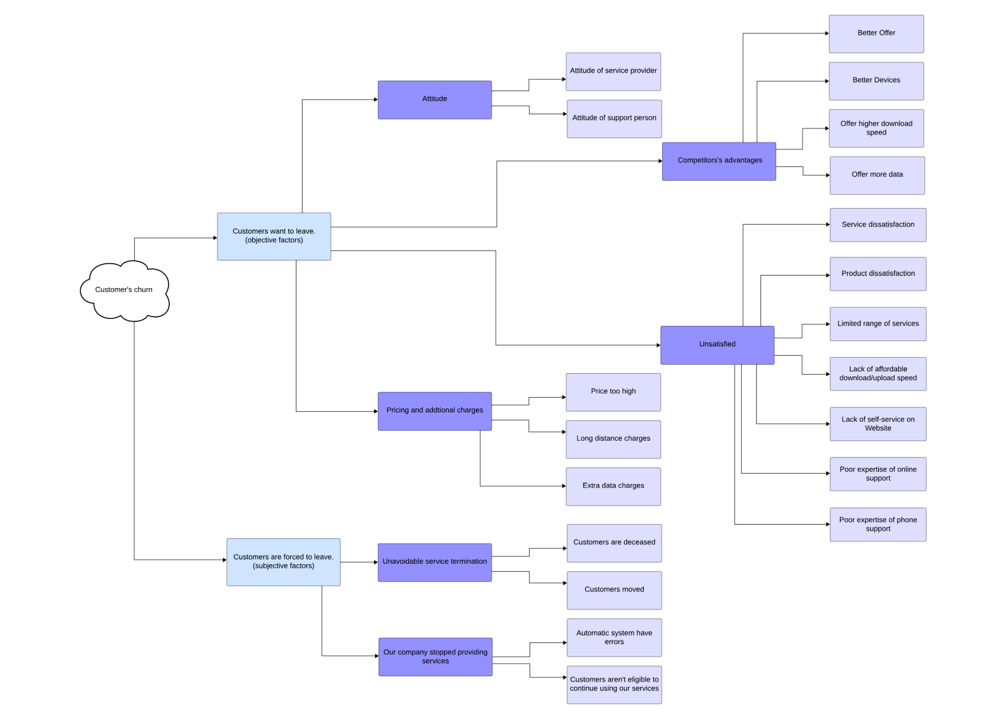

Insights and Recommendations
Insights
The largest category of churned customers left due to competitors (45%), indicating customers may be switching to services with better offers or features.
Other categories include dissatisfaction (16.2%), attitude issues (16.2%), and pricing concerns (11.3%).
Churn rates increase with age, with older groups (65+) being more likely to leave.
Customers using Paper Check (38.01%) and Direct Debit (34.49%) show higher churn rates compared to Credit Card users (14.46%).
Month-to-Month contracts have the highest churn rate at 46.29%, especially within the first 0-3 months. Although churn decreases over time, it remains relatively high for this group.
One-Year and Two-Year contracts experience slight churn increases at renewal periods (e.g., 12 months and 24 months) but maintain much lower churn rates overall.
Customers not belonging to specific groups have a high churn rate, nearing 33%.
The average number of customer service calls is high, with 2-3 calls per issue reported.

Enhance Competitiveness:
Offer better pricing and improved device quality.
Create attractive offers for new customers and loyalty programs for existing customers.
Focus on differentiating with unique value propositions to address competitor-driven churn (45%).
Encourage Contract Stability:
Provide incentives for one-year and two-year contracts to stabilize churn rates.
Offer exclusive benefits for month-to-month contract users, such as data package discounts and top-up incentives.
Promote Credit Card Payments:
Encourage credit card payments, as they correlate with lower churn rates compared to paper checks and direct debit.
Optimize Customer Service:
Streamline problem-solving processes to address customer issues quickly and efficiently.
Avoid situations where customers must make repeated unresolved calls.
Introduce online and phone-based consulting for multi-channel support.
Retention-Focused Strategies:
Provide ongoing incentives for loyal customers to reduce churn.
Tailor offers to meet the needs of specific customer groups, such as older demographics or high-churn segments.
Recommendations

